Sheet2
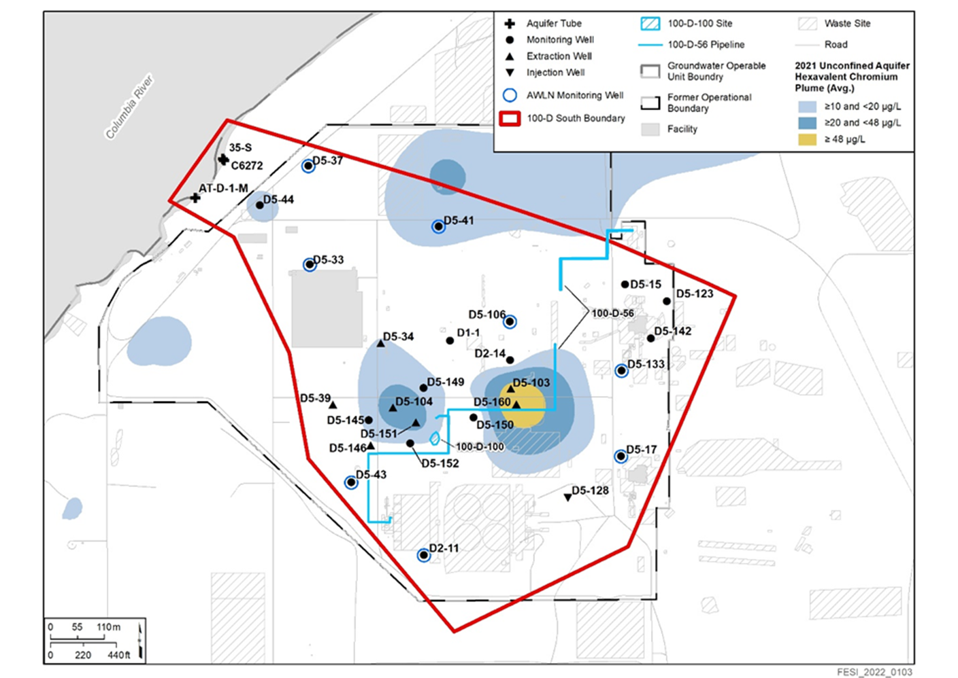

199-D5-103 Graph
199-D5-103 Extraction Well
 | Elevation of the water level in the well (m)
5/1/2023 12:59:53 AM | 117.854832
5/1/2023 | 117.855851
5/1/2023 | 117.855851
5/1/2023 | 117.854832
5/1/2023 | 117.854832
5/1/2023 | 117.854832
5/1/2023 | 117.854832
5/1/2023 | 117.854832
5/1/2023 | 117.856360
5/1/2023 | 117.855851
5/1/2023 | 117.855840
5/1/2023 | 117.854832
5/1/2023 | 117.850708
5/1/2023 | 117.854864
5/1/2023 | 117.853322
5/1/2023 | 117.854448
5/1/2023 | 117.850757
5/1/2023 | 117.848720
5/1/2023 | 117.849739
5/1/2023 | 117.848717
5/1/2023 | 117.848720
5/1/2023 | 117.849739
5/1/2023 | 117.849110
5/1/2023 | 117.847706
5/2/2023 | 117.849739
5/2/2023 | 117.850630
5/2/2023 | 117.847956
5/2/2023 | 117.849739
5/2/2023 | 117.849739
5/2/2023 | 117.843627
5/2/2023 | 117.842608
5/2/2023 | 112.454729
5/2/2023 | 118.480325
5/2/2023 | 117.868063
5/2/2023 | 117.855846
5/2/2023 | 117.861867
5/2/2023 | 117.847143
5/2/2023 | 117.841619
5/2/2023 | 117.841590
5/2/2023 | 117.843621
5/2/2023 | 117.843627
5/2/2023 | 117.841641
5/2/2023 | 117.833471
5/2/2023 | 117.836305
5/2/2023 | 117.837387
5/2/2023 | 117.835955
5/2/2023 | 117.835671
5/2/2023 | 117.835477
5/3/2023 | 117.835478
5/3/2023 | 117.835235
...

199-D5-104 Graph
199-D5-104 Extraction Well
 | Elevation of the water level in the well (m)
5/1/2023 12:59:53 AM | 117.752491
5/1/2023 | 117.749435
5/1/2023 | 117.749435
5/1/2023 | 117.752491
5/1/2023 | 117.749435
5/1/2023 | 117.749435
5/1/2023 | 117.749435
5/1/2023 | 117.749435
5/1/2023 | 117.749531
5/1/2023 | 117.749435
5/1/2023 | 117.749435
5/1/2023 | 117.749441
5/1/2023 | 117.749435
5/1/2023 | 117.749439
5/1/2023 | 117.749513
5/1/2023 | 117.752491
5/1/2023 | 117.752485
5/1/2023 | 117.749435
5/1/2023 | 117.750940
5/1/2023 | 117.746380
5/1/2023 | 117.746380
5/1/2023 | 117.749388
5/1/2023 | 117.746380
5/1/2023 | 117.749435
5/2/2023 | 117.746380
5/2/2023 | 117.746380
5/2/2023 | 117.746380
5/2/2023 | 117.743324
5/2/2023 | 117.745234
5/2/2023 | 117.743324
5/2/2023 | 117.743324
5/2/2023 | 115.443701
5/2/2023 | 115.359256
5/2/2023 | 115.318632
5/2/2023 | 117.731852
5/2/2023 | 117.724988
5/2/2023 | 117.724988
5/2/2023 | 117.724988
5/2/2023 | 117.724988
5/2/2023 | 117.728044
5/2/2023 | 117.729954
5/2/2023 | 117.728849
5/2/2023 | 117.728330
5/2/2023 | 117.728808
5/2/2023 | 117.728044
5/2/2023 | 117.728044
5/2/2023 | 117.728044
5/2/2023 | 117.728044
5/3/2023 | 117.728044
5/3/2023 | 117.728044
...

199-D5-146 Graph
199-D5-146 Extraction Well
 | Elevation of the water level in the well (m)
5/1/2023 12:59:53 AM | 118.141617
5/1/2023 | 118.141804
5/1/2023 | 118.144669
5/1/2023 | 118.141613
5/1/2023 | 118.141816
5/1/2023 | 118.141613
5/1/2023 | 118.135502
5/1/2023 | 118.138557
5/1/2023 | 118.129390
5/1/2023 | 118.132445
5/1/2023 | 118.123277
5/1/2023 | 118.120222
5/1/2023 | 118.120222
5/1/2023 | 118.126334
5/1/2023 | 118.129388
5/1/2023 | 118.132446
5/1/2023 | 118.141613
5/1/2023 | 118.150781
5/1/2023 | 118.141612
5/1/2023 | 118.153837
5/1/2023 | 118.153837
5/1/2023 | 118.138557
5/1/2023 | 118.144670
5/1/2023 | 118.141613
5/2/2023 | 118.141613
5/2/2023 | 118.141613
5/2/2023 | 118.141613
5/2/2023 | 118.141613
5/2/2023 | 118.138557
5/2/2023 | 118.135501
5/2/2023 | 118.126334
5/2/2023 | 117.837490
5/2/2023 | 118.173268
5/2/2023 | 118.120222
5/2/2023 | 118.120222
5/2/2023 | 118.111053
5/2/2023 | 118.138537
5/2/2023 | 118.129388
5/2/2023 | 118.126334
5/2/2023 | 118.123277
5/2/2023 | 118.129390
5/2/2023 | 118.138557
5/2/2023 | 118.138557
5/2/2023 | 118.141613
5/2/2023 | 118.141613
5/2/2023 | 118.138557
5/2/2023 | 118.135382
5/2/2023 | 118.135502
5/3/2023 | 118.132446
5/3/2023 | 118.129390
...

199-D5-151 Graph
199-D5-151 Extraction Well
 | Elevation of the water level in the well (m)
5/1/2023 | 118.431976
5/1/2023 | 118.431713
5/1/2023 | 118.431976
5/1/2023 | 118.431976
5/1/2023 | 118.431976
5/1/2023 | 118.431880
5/1/2023 | 118.428921
5/1/2023 | 118.428921
5/1/2023 | 118.431976
5/1/2023 | 118.428920
5/1/2023 | 118.428921
5/1/2023 | 118.431975
5/1/2023 | 118.429016
5/1/2023 | 118.431976
5/1/2023 | 118.431976
5/1/2023 | 118.431976
5/1/2023 | 118.431976
5/1/2023 | 118.431976
5/1/2023 | 118.431976
5/1/2023 | 118.428921
5/1/2023 | 118.428920
5/1/2023 | 118.428921
5/1/2023 | 118.425864
5/1/2023 | 118.428920
5/2/2023 | 118.425864
5/2/2023 | 118.425864
5/2/2023 | 118.425864
5/2/2023 | 118.425864
5/2/2023 | 118.425864
5/2/2023 | 118.425339
5/2/2023 | 118.423453
5/2/2023 | 116.931535
5/2/2023 | 118.583275
5/2/2023 | 118.410584
5/2/2023 | 118.410584
5/2/2023 | 118.413641
5/2/2023 | 118.413641
5/2/2023 | 118.413641
5/2/2023 | 118.413641
5/2/2023 | 118.416697
5/2/2023 | 118.417079
5/2/2023 | 118.416697
5/2/2023 | 118.416697
5/2/2023 | 118.416697
5/2/2023 | 118.416696
5/2/2023 | 118.416696
5/2/2023 | 118.416696
5/2/2023 | 118.416303
5/3/2023 | 118.416696
5/3/2023 | 118.416696
...

199-D5-160 Graph
199-D5-160 Extraction Well
 | Elevation of the water level in the well (m)
5/1/2023 12:59:53 AM | 118.323665
5/1/2023 | 118.324432
5/1/2023 | 118.323665
5/1/2023 | 118.323666
5/1/2023 | 118.323665
5/1/2023 | 118.323665
5/1/2023 | 118.325702
5/1/2023 | 118.323665
5/1/2023 | 118.324635
5/1/2023 | 118.322901
5/1/2023 | 118.317554
5/1/2023 | 118.323665
5/1/2023 | 118.317432
5/1/2023 | 118.317553
5/1/2023 | 118.316550
5/1/2023 | 118.317553
5/1/2023 | 118.317349
5/1/2023 | 118.316550
5/1/2023 | 118.317426
5/1/2023 | 118.315515
5/1/2023 | 118.317346
5/1/2023 | 118.317551
5/1/2023 | 118.317553
5/1/2023 | 118.317553
5/2/2023 | 118.317553
5/2/2023 | 118.316786
5/2/2023 | 118.317549
5/2/2023 | 118.309435
5/2/2023 | 118.315899
5/2/2023 | 118.309499
5/2/2023 | 118.309525
5/2/2023 | 117.633275
5/2/2023 | 118.546749
5/2/2023 | 118.356898
5/2/2023 | 118.315547
5/2/2023 | 118.315515
5/2/2023 | 118.308386
5/2/2023 | 118.308386
5/2/2023 | 118.309404
5/2/2023 | 118.308386
5/2/2023 | 118.310423
5/2/2023 | 118.310434
5/2/2023 | 118.308014
5/2/2023 | 118.303292
5/2/2023 | 118.302679
5/2/2023 | 118.302273
5/2/2023 | 118.302273
5/2/2023 | 118.302305
5/3/2023 | 118.303905
5/3/2023 | 118.303288
...

199-D5-34 Graph
199-D5-34 Extraction Well
 | Elevation of the water level in the well (m)
5/1/2023 | 117.853604
5/1/2023 | 117.850548
5/1/2023 | 117.853604
5/1/2023 | 117.856616
5/1/2023 | 117.853604
5/1/2023 | 117.853604
5/1/2023 | 117.853604
5/1/2023 | 117.850548
5/1/2023 | 117.856660
5/1/2023 | 117.850548
5/1/2023 | 117.850548
5/1/2023 | 117.853604
5/1/2023 | 117.853604
5/1/2023 | 117.853604
5/1/2023 | 117.853604
5/1/2023 | 117.853604
5/1/2023 | 117.853604
5/1/2023 | 117.853604
5/1/2023 | 117.853604
5/1/2023 | 117.847492
5/1/2023 | 117.847492
5/1/2023 | 117.853604
5/1/2023 | 117.847492
5/1/2023 | 117.853604
5/2/2023 | 117.850548
5/2/2023 | 117.847612
5/2/2023 | 117.847492
5/2/2023 | 117.847492
5/2/2023 | 117.847492
5/2/2023 | 117.847492
5/2/2023 | 117.847492
5/2/2023 | 117.690875
5/2/2023 | 117.969825
5/2/2023 | 117.847492
5/2/2023 | 117.844437
5/2/2023 | 117.847492
5/2/2023 | 117.844436
5/2/2023 | 117.844436
5/2/2023 | 117.844436
5/2/2023 | 117.847492
5/2/2023 | 117.844436
5/2/2023 | 117.844436
5/2/2023 | 117.844436
5/2/2023 | 117.844436
5/2/2023 | 117.841380
5/2/2023 | 117.839084
5/2/2023 | 117.841380
5/2/2023 | 117.838324
5/3/2023 | 117.841380
5/3/2023 | 117.841380
...

199-D5-39 Graph
199-D5-39 Extraction Well
 | Elevation of the water level in the well (m)
5/1/2023 12:59:53 AM | 117.903908
5/1/2023 | 117.901042
5/1/2023 | 117.901042
5/1/2023 | 117.903723
5/1/2023 | 117.901042
5/1/2023 | 117.901042
5/1/2023 | 117.901042
5/1/2023 | 117.900756
5/1/2023 | 117.903382
5/1/2023 | 117.901042
5/1/2023 | 117.901042
5/1/2023 | 117.901042
5/1/2023 | 117.901042
5/1/2023 | 117.901042
5/1/2023 | 117.901042
5/1/2023 | 117.901042
5/1/2023 | 117.901042
5/1/2023 | 117.901042
5/1/2023 | 117.901042
5/1/2023 | 117.897987
5/1/2023 | 117.897986
5/1/2023 | 117.901042
5/1/2023 | 117.897606
5/1/2023 | 117.900856
5/2/2023 | 117.897986
5/2/2023 | 117.897986
5/2/2023 | 117.897986
5/2/2023 | 117.894938
5/2/2023 | 117.897222
5/2/2023 | 117.894931
5/2/2023 | 117.894931
5/2/2023 | 117.894931
5/2/2023 | 117.894931
5/2/2023 | 117.894931
5/2/2023 | 117.894931
5/2/2023 | 117.896459
5/2/2023 | 117.892637
5/2/2023 | 117.892628
5/2/2023 | 117.891875
5/2/2023 | 117.894358
5/2/2023 | 117.894764
5/2/2023 | 117.891875
5/2/2023 | 117.891874
5/2/2023 | 117.891874
5/2/2023 | 117.888828
5/2/2023 | 117.888819
5/2/2023 | 117.888819
5/2/2023 | 117.888819
5/3/2023 | 117.888819
5/3/2023 | 117.888819
...

199-D5-128 Graph
199-D5-128 Injection Well
 | Elevation of the water level in the well (m) | Manual Water Level
5/1/2023 12:59:53 AM | 112.57606852
5/1/2023 | 112.56987589
5/1/2023 | 112.5755848
5/1/2023 | 112.57014564
5/1/2023 | 112.5698061
5/1/2023 | 112.56618324
5/1/2023 | 112.56994326
5/1/2023 | 112.57235026
5/1/2023 | 112.57219207
5/1/2023 | 112.57511754
5/1/2023 | 116.06525798
5/1/2023 | 116.0627952
5/1/2023 | 116.05804916
5/1/2023 | 116.06339748
5/1/2023 | 116.06108618
5/1/2023 | 116.06169761
5/1/2023 | 116.0638114
5/1/2023 | 116.06003493
5/1/2023 | 116.05637702
5/1/2023 | 116.05118445
5/1/2023 | 116.05511911
5/1/2023 | 116.0624651
5/1/2023 | 116.05368655
5/1/2023 | 116.05617951
5/2/2023 | 116.05623072
5/2/2023 | 116.05616092
5/2/2023 | 116.05752825
5/2/2023 | 116.05130058
5/2/2023 | 116.04861255
5/2/2023 | 116.05648188
5/2/2023 | 116.0561027
5/2/2023 | 116.04266864
5/2/2023 | 116.0552261
5/2/2023 | 116.05598871
5/2/2023 | 116.05398434
5/2/2023 | 116.04980767
5/2/2023 | 116.05324703
5/2/2023 | 116.05164013
5/2/2023 | 116.05363321
5/2/2023 | 116.05230063
5/2/2023 | 116.05124023
5/2/2023 | 116.05241219
5/2/2023 | 116.04623115
5/2/2023 | 116.0453521
5/2/2023 | 116.04742657
5/2/2023 | 116.04584527
5/2/2023 | 116.04965436
5/2/2023 | 116.04585441
5/3/2023 | 116.04250588
5/3/2023 | 116.045752
...

